Gcg valid.10-18-18
Glucagon Assay (Ansh revised 2018 kit): Validation
Merck study samples/pools: M-09, M-19, M-34: vials 32, 34, 36.
 |  |  |  |  |  |  |  |  |  |  |  |  |  |  |  |  | Ansh Assay (50 ul) |  |  |  |  | Mercodia Assay (25 ul) |  | (only assay available for human) |  |  |  |  | Glucagon Asasys: Ansh vs Mercodia
Dilution & Linearity |  |  |  |  | Cross-Reactivity: |  |  | Precision: Intra-assay |  |  |  |  |  |  |  |  |  |  |  |  |  | This 25 ul assay and 10 ul asasy are for mouse and rat) |  |  |  |  |  |  | Oxm, Glicentin cross-reactants study
 |  |  |  |  |  |  |  |  |  |  |  |  |  |  | QC-1 | 40.93 pg/ml |  | Exptd: 31 +/- 8 pg/ml) |  |  |  |  |  |  |  |  |  |  | 2018-10-18 |  |  |  | Ansh Assay: 25 ul, if
Plasama |  |  | Glucagon | % Recovery | Cross-Reactant | Concentration | % Cross-Reactivity | Sample |  | Glucagon (pg/ml) | Mean | St Dev | SEM | CV | QC-2 | 140.88 pg/ml |  | Exptd: 148+/- 30 pg/ml) |  |  |  | QCs: Not provided in the kit |  |  |  |  |  |  |  |  |  |  | extrapolated
pool |  |  | pg/ml |  |  |  |  |  |  |  |  |  |  |  |  |  |  |  |  |  |  |  |  |  |  |  |  |  |  |  | Ansh: 50 ul Assay | Mercodia: 25 ul Assay | from 50 ul assay
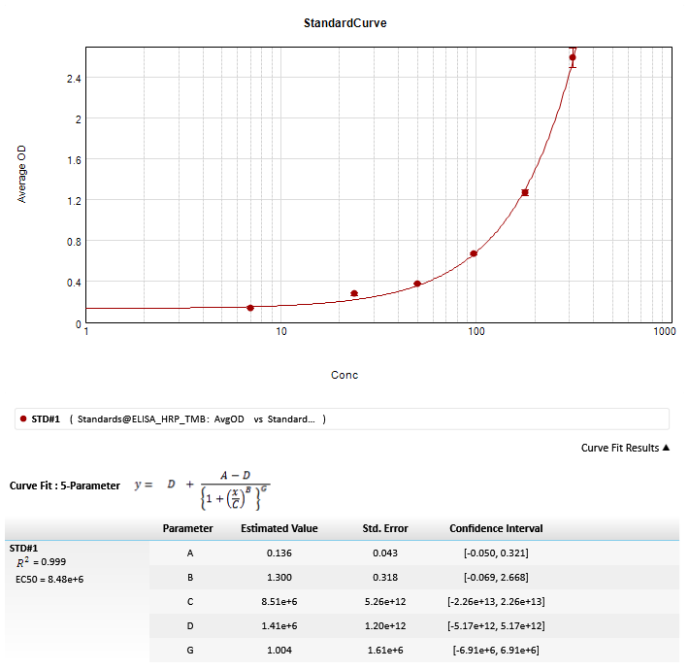
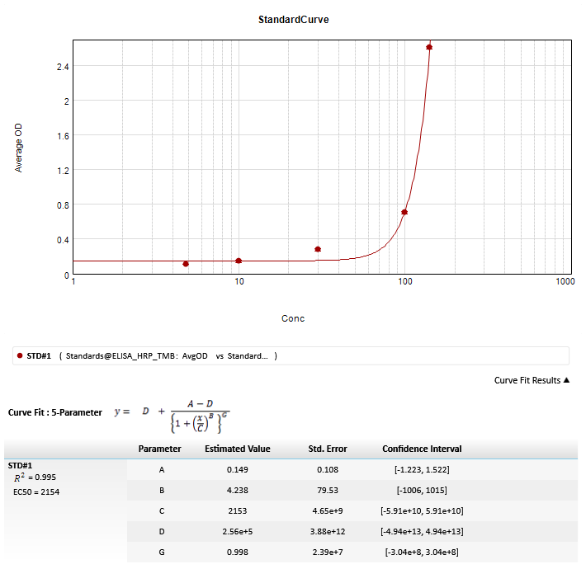
M-09 | 36' | Direct | 131.87 |  | Normal run | 40 ul smpl | 148.72 pg/ml | M-09 | 36' | 160.64 |  |  |  |  |  |  |  |  |  |  |  |  |  |  |  |  |  |  |  | Cross-reactant | Glucagon | Glucagon | Glucagon
 |  | 1/2dil. | 68.61 | 104% | Normal run | 40 ul smpl | 151.80 pg/ml |  |  | 151.10 |  |  |  |  |  |  |  |  |  |  |  |  |  |  |  |  |  |  |  | ng/ml | pg/ml | pg/ml | pg/ml
 |  | 1/4 dil. | 39.55 | 119% | GRPP | 5 ng/ml | Non-detectable |  |  | 149.72 |  |  |  |  |  |  |  |  |  |  |  |  |  |  |  |  |  |  |  | OXM
M-19 | 34' | Direct | 186.26 |  | A5: OXM (1-17) / (Glucagon 1-17) | 5 ng/ml | Non-detectable |  |  | 137.66 |  |  |  |  |  |  |  |  |  |  |  |  |  |  |  |  |  |  | Normal assay | 0 | 111.48 | 85.33 | 55.74
 |  | 1/2dil. | 68.07 | 93% | A7: OXM (19-29) / (Glucagon 19-29) | 5 ng/ml | Non-detectable |  |  | 137.90 | 147.40 | 9.74 | 4.35 | 6.61 |  |  |  |  |  |  |  |  |  |  |  |  |  |  |  | 0.097 | 104.11 | 84.81 | 52.06
 |  | 1/4 dil. | 46.66 | 100% | A9: OXM (23-37) | 5 ng/ml | Non-detectable | M-19 | 34' | 201.99 |  |  |  |  |  |  |  |  |  |  |  |  |  |  |  |  |  |  |  | 0.195 | 102.77 | 86.80 | 51.38
M-19 | 36' | Direct | 134.94 |  | A1: OXM (1-37), Ansh stk sol. | 5 ng/ml | Non-detectable |  |  | 206.59 |  |  |  |  |  |  |  |  |  |  |  |  |  |  |  |  |  |  |  | 0.39 | 105.92 | 86.45 | 52.96
 |  | 1/2dil. | 72.52 | 107% | Glucagon (19-29) Bachem | 5 ng/ml | Non-detectable |  |  | 222.32 |  |  |  |  |  |  |  |  |  |  |  |  |  |  |  |  |  |  |  | 0.781 | 112.03 | 86.36 | 56.01
 |  | 1/4 dil. | 38.39 | 113% | Glicentin | 5 ng/ml | Non-detectable |  |  | 219.95 |  |  |  |  |  |  |  |  |  |  |  |  |  |  |  |  |  |  |  | 1.562 | 111.91 | 85.98 | 55.96
M-34 | 32' | Direct | 116.78 |  | B3: GLP-1 (9-36-NH2) | 5 ng/ml | Non-detectable |  |  | 209.89 | 212.15 | 8.71 | 3.89 | 4.11 |  |  |  |  |  |  |  |  |  |  |  |  |  |  |  | 3.125 | 107.71 | 85.46 | 53.86
 |  | 1/2dil. | 81.77 | 120% | GLP-1 (1-36) | 5 ng/ml | Non-detectable | M-19 | 36' | 156.83 |  |  |  |  |  |  |  |  |  |  |  |  |  |  |  |  |  |  |  | 6.25 | 111.58 | 81.85 | 55.79
 |  | 1/4 dil. | 48.68 | 115% | GLP-2 | 5 ng/ml | Non-detectable |  |  | 158.81 |  |  |  |  |  |  |  |  |  |  |  |  |  |  |  |  |  |  |  | 12.5 | 114.24 | 83.72 | 57.12
 |  |  |  |  | MPGF-1 | 5 ng/ml | Non-detectable |  |  | 158.15 |  |  |  |  |  |  |  |  |  |  |  |  |  |  |  |  |  |  |  | 25 | 114.13 | 87.63 | 57.06
 |  |  |  |  | Insulin | 5 ng/ml | Non-detectable |  |  | 167.30 |  |  |  |  |  |  |  |  |  |  |  |  |  |  |  |  |  |  |  | 50 | 112.48 | 103.83 | 56.24
Spike-Recovery |  |  |  |  | C-peptide | 5 ng/ml | Non-detectable |  |  | 158.16 | 159.85 | 4.23 | 1.89 | 2.64 |  |  |  |  |  |  |  |  |  |  |  |  |  |  |  | 100 | 107.38 | 115.78 | 53.69
 |  |  |  |  |  |  |  | M-34 | 32' | 121.22 |  |  |  |  |  |  |  |  |  |  |  |  |  |  |  |  |  |  |  | Glicentin
Plasma |  | Glucagon | % Recovery |  |  |  |  |  |  | 116.93 |  |  |  |  |  |  |  |  |  |  |  |  |  |  |  |  |  |  | Normal assay | 0 | 111.48 | 85.33 | 55.74
pool |  | pg/ml |  |  | KO Mouse plasma |  |  |  |  | 126.70 |  |  |  |  |  |  |  |  |  |  |  |  |  |  |  |  |  |  |  | 0.097 | 116.56 | 84.09 | 58.28
Pool-1 | x/2 sample | 79.55 |  |  |  |  |  |  |  | 123.61 |  |  |  |  |  |  |  |  |  |  |  |  |  |  |  |  |  |  |  | 0.195 | 106.19 | 84.25 | 53.10
 | x/2 QC2 | 81.59 |  |  | Vial-1 | K/O | Non-detectable |  |  | 118.26 | 121.35 | 3.96 | 1.77 | 3.27 |  |  |  |  |  |  |  |  |  |  |  |  |  |  |  | 0.39 | 116.57 | 84.56 | 58.28
 | x/2 sample+x/2 QC2 | 152.37 | 94% |  | Vial-2 | K/O | Non-detectable | M-34 | 34' | 239.44 |  |  |  |  |  |  |  |  |  |  |  |  |  |  |  |  |  |  |  | 0.781 | 116.16 | 80.77 | 58.08
Pool-2 | x/2 sample | 94.84 |  |  |  |  |  |  |  | 235.97 |  |  |  |  |  |  |  |  |  |  |  |  |  |  |  |  |  |  |  | 1.562 | 113.26 | 80.24 | 56.63
 | x/2 QC2 | 83.88 |  |  |  |  |  |  |  | 229.62 |  |  |  |  |  |  |  |  |  |  |  |  |  |  |  |  |  |  |  | 3.125 | 119.81 | 83.74 | 59.91
 | x/2 sample+x/2 QC2 | 174.06 | 97% |  | Charcoal-stripped: |  |  |  |  | 222.46 |  |  |  |  |  |  |  |  |  |  |  |  |  |  |  |  |  |  |  | 6.25 | 118.02 | 83.78 | 59.01
Pool-3 | x/2 sample | 86.67 |  |  |  |  |  |  |  | 223.75 | 230.25 | 7.42 | 3.31 | 3.22 |  |  |  |  |  |  |  |  |  |  |  |  |  |  |  | 12.5 | 115.29 | 82.66 | 57.64
 | x/2 QC2 | 90.85 |  |  |  | Unstripped | Stripped | M-34 | 36' | 184.16 |  |  |  |  |  |  |  |  |  |  |  |  |  |  |  |  |  |  |  | 25 | 116.01 | 82.90 | 58.00
 | x/2 sample+x/2 QC2 | 155.02 | 87% |  | Sample | Glucagon | Glucagon |  |  | 196.66 |  |  |  |  |  |  |  |  |  |  |  |  |  |  |  |  |  |  |  | 50 | 127.33 | 83.68 | 63.66
Pool-4 | x/2 sample | 90.77 |  |  |  | pg/ml | pg/ml |  |  | 181.12 |  |  |  |  |  |  |  |  |  |  |  |  |  |  |  |  |  |  |  | 100 | 115.83 | 80.31 | 57.91
 | x/2 QC2 | 98.03 |  |  | M-09 , vials 32 + 34 pool | 176.82 | 95.75 |  |  | 189.72 |  |  |  |  | Standard pg/ml | BackCalcConc | Wells | OD | AvgOD | SD | CV | Standard pg/ml | BackCalcConc | Wells | OD | AvgOD | SD | CV
 | x/2 sample+x/2 QC2 | 170.12 | 90% |  | M-34, vials 32+34 pool | 143.65 | 55.31 |  |  | 195.14 | 189.36 | 6.74 | 3.01 | 3.56 | 0 | Range? | A1 | 0.099 | 0.096 | 0.004 | 4.1 | 0 | Range? | A1 | 0.06 | 0.073 | 0.019 | 26.1
Pool-5 | x/2 sample | 88.29 |  |  | Blank buffer |  | 1.52 |  |  |  |  |  |  |  |  | Range? | A2 | 0.093 |  |  |  |  | Range? | A2 | 0.087 |  |  |  |  |  |  | Mercodia protocol info
 | x/2 QC2 | 84.29 |  |  |  |  |  |  |  |  |  |  |  |  | 7 | 1.157 | B1 | 0.137 | 0.136 | 0.002 | 1.3 | 4.8 | Range? | B1 | 0.107 | 0.108 | 0.001 | 1.2 |  |  |  | OXM: Upto 1.33 ng/ml shows < 4.4% ng/ml cross-reactivity.
 | x/2 sample+x/2 QC2 | 188.47 | 109% |  |  |  |  |  |  |  |  |  |  |  |  | Range? | B2 | 0.135 |  |  |  |  | Range? | B2 | 0.109 |  |  |  |  |  |  | Glicentin: Up to 4.680 ng/ml shows < 0.8% cross-reractivity
 |  |  |  |  |  |  |  |  |  |  |  |  |  |  | 24 | 36.679 | C1 | 0.285 | 0.276 | 0.014 | 4.9 | 10 | 33.736 | C1 | 0.155 | 0.144 | 0.016 | 11.1
 |  |  |  |  |  |  |  |  |  |  |  |  |  |  |  | 33.005 | C2 | 0.266 |  |  |  |  | Range? | C2 | 0.132
 |  |  |  |  |  |  |  |  |  |  |  |  |  |  | 50 | 52.848 | D1 | 0.377 | 0.379 | 0.004 | 1 | 30 | 71.757 | D1 | 0.289 | 0.278 | 0.016 | 5.9
 |  |  |  |  |  |  |  |  |  |  |  |  |  |  |  | 53.775 | D2 | 0.382 |  |  |  |  | 68.748 | D2 | 0.266
 |  |  |  |  |  |  |  |  |  |  |  |  |  |  | 97 | 99.019 | E1 | 0.68 | 0.672 | 0.011 | 1.7 | 99.4 | 98.956 | E1 | 0.697 | 0.704 | 0.01 | 1.4
 |  |  |  |  |  |  |  |  |  |  |  |  |  |  |  | 96.816 | E2 | 0.665 |  |  |  |  | 99.551 | E2 | 0.711
 |  |  |  |  |  |  |  |  |  |  |  |  |  |  | 178 | 171.528 | F1 | 1.248 | 1.268 | 0.029 | 2.3 | 141 | 140.863 | F1 | 2.596 | 2.606 | 0.015 | 0.6
 |  |  |  |  |  |  |  |  |  |  |  |  |  |  |  | 176.313 | F2 | 1.289 |  |  |  |  | 141.153 | F2 | 2.617
 |  |  |  |  |  |  |  |  |  |  |  |  |  |  | 314 | 321.717 | G1 | 2.655 | 2.588 | 0.094 | 3.6
 |  |  |  |  |  |  |  |  |  |  |  |  |  |  |  | 308.528 | G2 | 2.521

