GLP-1 Validation
GLP-1: Validation (Ansh New version: Dec-2019 kit)
3-3-2020: Radha

Precision: |  |  |  |  |  |  | Specificity: |  |  |  | Dilution-Linearity: |  |  |  |  |  |  |  |  |  | Spike-Recovery:
Plate-1 |  |  |  |  |  |  |  |  |  |  |  |  |  |  |  |  |  |  | Assay background:
 |  | GLP-1 (pg/ml) | Mean | St Dev | SEM | CV |  |  | GLP-1 | % Cross-reactivity |  |  | GLP-1 |  |  |  | GLP-1 |  |  | GLP-1 |  |  | GLP-1
Pool-1 | x, 50 ul | 84.92 |  |  |  |  |  | Concentration | pg/ml |  |  |  | pg/ml | % Recovery |  |  | pg/ml | % Recovery |  | pg/ml |  |  | pg/ml | % Recovery
 | x, 50 ul | 80.56 |  |  |  |  | Normal assay |  | 73.49 |  | Pool-1 | X | 55.25 |  | Pool-A | X | 75.48 |  | Extraction buffer * | < 1.90 | Pool-A | X/2 Sample | 18.95
 | x, 50 ul | 81.69 |  |  |  |  | MPGF-2 | 0.194 ng/ml | 70.06 | Non-detectable |  | X/2 dil. | 22.09 | 80% |  | X/2 dil. | 33.85 | 90% | PBS * | < 1.90 |  | X/2 QC2 | 49.24
 | x, 50 ul | 79.47 | 81.66 | 2.36 | 1.05 | 2.89 |  | 0.39 ng/ml | 73.01 | Non-detectable |  | X/4 dil | 12.04 | 109% |  | X/4 dil | 17.54 | 103% | Standard-A * | < 1.90 |  | X/2 Sample + X/2 QC2 | 62.64 | 92%
Pool-A | x, 50 ul | 75.39 |  |  |  |  |  | 0.781 ng/ml | 70.98 | Non-detectable |  | X/8 dil. | 3.99 | 66% |  | X/8 dil. | 7.82 | 89% | * Processed as samples |  | Pool-B | X/2 Sample | 38.21
 | x, 50 ul | 77.04 |  |  |  |  |  | 1.562 ng/ml | 71.48 | Non-detectable |  | X/16 dil. | < 1.90 |  |  | X/16 dil. | 3.16 | 81% |  |  |  | X/2 QC2 | 50.45
 | x, 50 ul | 73.11 |  |  |  |  |  | 3.125 ng/ml | 70.12 | Non-detectable |  | X/32 dil. | < 1.90 |  |  | X/32 dil. | < 2.00 |  |  |  |  | X/2 Sample + X/2 QC2 | 81.02 | 91%
 | x, 50 ul | 76.39 | 75.48 | 1.72 | 0.77 | 2.28 |  | 6.25 ng/ml | 74.01 | Non-detectable |  | X/64 dil. | < 1.90 |  | Pool-B | X | 67.55 |  |  |  | Pool-C | X/2 Sample | 28.46
Pool-B | x, 50 ul | 67.04 |  |  |  |  |  | 12.5 ng/ml | 79.36 | 8% |  | X/128 dil. | < 1.90 |  |  | X/2 dil. | 30.17 | 89% |  |  |  | X/2 QC2 | 48.99
 | x, 50 ul | 67.99 |  |  |  |  |  | 25 ng/ml | 98.36 | 34% | Pool-2 | X | 107.87 |  |  | X/4 dil | 14.52 | 96% |  |  |  | X/2 Sample + X/2 QC2 | 72.59 | 94%
 | x, 50 ul | 68.16 |  |  |  |  |  | 50 ng/ml | 190.16 | 159% |  | X/2 dil. | 48.25 | 89% |  | X/8 dil. | 5.99 | 83%
 | x, 50 ul | 67.01 | 67.55 | 0.61 | 0.27 | 0.90 | OXM | 10 ng/ml | 71.61 | Non-detectable |  | X/4 dil | 22.12 | 92% |  | X/16 dil. | < 2.00
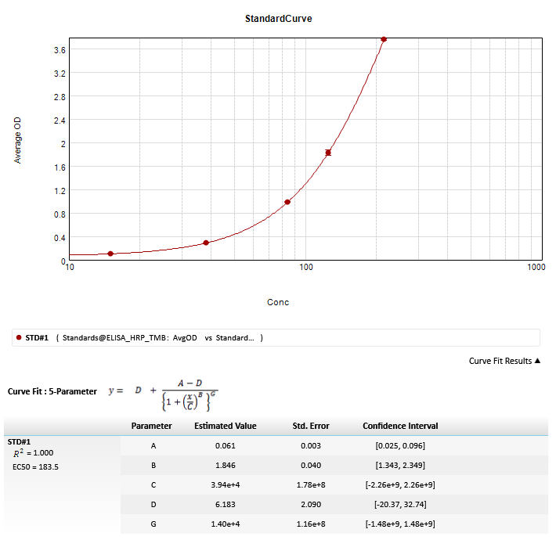
Plate-2 |  |  |  |  |  |  | Glucagon | 10 ng/ml | 72.45 | Non-detectable |  | X/8 dil. | 11.05 | 100% |  | X/32 dil. | < 2.00
 |  | GLP-1 (pg/ml) | Mean | St Dev | SEM | CV | Glicentin | 10 ng/ml | 70.62 | Non-detectable |  | X/16 dil. | 3.50 | 63% | Pool-C | X | 61.9
Pool-C | x, 50 ul | 63.05 |  |  |  |  | GLP-2 | 10 ng/ml | 71.34 | Non-detectable |  | X/32 dil. | < 1.90 |  |  | X/2 dil. | 26.98 | 87% |  |  |  |  |  | QC-1: 45.55pg/ml (Exptd: 45 +/- 11 pg/ml)
 | x, 50 ul | 61.30 |  |  |  |  | Insulin | 10 ng/ml | 72.90 | Non-detectable |  | X/64 dil. | < 1.90 |  |  | X/4 dil | 12.5 | 93% |  |  |  |  |  | QC-2: 118.93pg/ml (Exptd: 120 +/- 24pg/ml)
 | x, 50 ul | 62.06 |  |  |  |  |  |  |  |  |  | X/128 dil. | < 1.90 |  |  | X/8 dil. | 4.71 | 75%
 | x, 50 ul | 61.20 | 61.90 | 0.86 | 0.38 | 1.38 |  |  |  |  | Pool-3 | X | 108.69 |  |  | X/16 dil. | < 2.00 |  |  |  |  |  |  | Stds pg/mL | BackCal. | OD | AvgOD | CV
Pool-D | x, 50 ul | 59.95 |  |  |  |  |  |  |  |  |  | X/2 dil. | 45.80 | 84% |  | X/32 dil. | < 2.00 |  |  |  |  |  |  | 0 | Range? | 0.059 | 0.059 | 1.7
 | x, 50 ul | 57.81 |  |  |  |  |  |  |  |  |  | X/4 dil | 22.10 | 97% | Pool-D | X | 59.12 |  |  |  |  |  |  |  | Range? | 0.058
 | x, 50 ul | 59.38 |  |  |  |  |  |  |  |  |  | X/8 dil. | 10.95 | 99% |  | X/2 dil. | 26.05 | 88% |  |  |  |  |  | 15 | 15.804 | 0.093 | 0.092 | 0.9
 | x, 50 ul | 59.32 | 59.11 | 0.92 | 0.41 | 1.55 |  |  |  |  |  | X/16 dil. | 3.75 | 69% |  | X/4 dil | 11.68 | 90% |  |  |  |  |  |  | 15.466 | 0.091
Plate-3 |  |  |  |  |  |  |  |  |  |  |  | X/32 dil. | < 1.90 |  |  | X/8 dil. | 3.24 | 56% |  |  |  |  |  | 38 | 38.293 | 0.224 | 0.227 | 2.1
 |  | GLP-1 (pg/ml) | Mean | St Dev | SEM | CV |  |  |  |  |  | X/64 dil. | < 1.90 |  |  | X/16 dil. | < 2.00 |  |  |  |  |  |  |  | 39.134 | 0.23
Pool-E | x, 50 ul | 97.04 |  |  |  |  |  |  |  |  |  | X/128 dil. | < 1.90 |  |  | X/32 dil. | < 2.00 |  |  |  |  |  |  | 84 | 83.006 | 0.75 | 0.758 | 1.7
 | x, 50 ul | 102.12 |  |  |  |  |  |  |  |  | Pool-4 | X | 56.64 |  | Pool-E | X | 99.58 |  |  |  |  |  |  |  | 84.209 | 0.77
 | x, 50 ul | 100.22 |  |  |  |  |  |  |  |  |  | X/2 dil. | 25.04 | 88% |  | X/2 dil. | 43.53 | 87% |  |  |  |  |  | 125 | 124.244 | 1.464 | 1.481 | 1.7
 | x, 50 ul | 98.97 | 99.59 | 2.14 | 0.95 | 2.15 |  |  |  |  |  | X/4 dil | 13.11 | 105% |  | X/4 dil | 20.92 | 96% |  |  |  |  |  |  | 126.053 | 1.499
Pool-F | x, 50 ul | 56.23 |  |  |  |  |  |  |  |  |  | X/8 dil. | 3.93 | 60% |  | X/8 dil. | 9.98 | 95% |  |  |  |  |  | 215 | 214.328 | 3.357 | 3.371 | 0.6
 | x, 50 ul | 58.16 |  |  |  |  |  |  |  |  |  | X/16 dil. | 1.77 | 90% |  | X/16 dil. | 2.11 | 42% |  |  |  |  |  |  | 215.646 | 3.385
 | x, 50 ul | 58.40 |  |  |  |  |  |  |  |  |  | X/32 dil. | < 1.90 |  |  | X/32 dil. | < 2.00
 | x, 50 ul | 57.69 | 57.62 | 0.97 | 0.43 | 1.68 |  |  |  |  |  | X/64 dil. | < 1.90 |  | Pool-F | X | 57.62
 |  |  |  |  |  |  |  |  |  |  |  | X/128 dil. | < 1.90 |  |  | X/2 dil. | 26.15 | 91%
 |  |  |  |  |  |  |  |  |  |  |  |  |  |  |  | X/4 dil | 11.41 | 87%
 |  |  |  |  |  |  |  |  |  |  |  |  |  |  |  | X/8 dil. | 2.15 | 38%
 |  |  |  |  |  |  |  |  |  |  |  |  |  |  |  | X/16 dil. | < 2.00
 |  |  |  |  |  |  |  |  |  |  |  |  |  |  |  | X/32 dil. | < 2.00

